Reverse Matrix
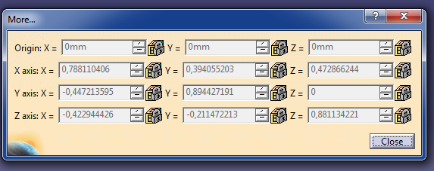
https://pl.wikibooks.org/wiki/Metody_matematyczne_fizyki/Obr%C3%B3t_uk%C5%82adu_wsp%C3%B3%C5%82rz%C4%99dnych
https://pl.wikipedia.org/wiki/Macierz_obrotu, http://www.dimmension3.spine.pl/modules.php?name=Tutorials&wtd=show_tutorial&nr=19
http://mathworld.wolfram.com/EulerAngles.html
https://en.wikipedia.org/wiki/Euler_angles
CAA V5 for CATIA - Getting Started - Dassault Systèmes
http://170.64.108.154/cd2/Catiav5r24doc/English/online/CATIA_P3_search.htm

Example 1
Rotation matrix |  |  |  |  | Global coordinates

SECTION D-D |  |  |  |  | 3d coordinates |  |  |  | Coordinate computation
 | x | y | z |  | x | y | z |  | x' | y' | z'
X1 | -0.54604 | 0.41013 | -0.73050 |  | -72.60 | -123.20 | -41.50 |  | 19.43 | -124.24 | 79.73 |  |  |  |  |  |  | Axis.2 |  |  | Axis.3
Y1 | 0.74493 | 0.63665 | -0.19939 |  | -152.40 | 86.20 | 80.60 |  | 59.69 | -74.72 | -167.35 |  |  |  |  |  |  | -0.190202 | 0.696733 | 0.691655 | 0.451711 | -0.800755 | 0.39338
Z1 | 0.38330 | -0.65304 | -0.65316 |  | 203.70 | 202.40 | 100.80 |  | -101.85 | 260.50 | -119.94 |  |  |  |  |  |  | -0.907423 | -0.393663 | 0.147016 | 0.708238 | 0.053709 | -0.703928
 |  |  |  |  | 223.80 | 205.60 | 180.80 |  | -169.96 | 261.56 | -166.57 |  |  |  |  |  |  | 0.37471 | -0.599661 | 0.707107 | 0.542546 | 0.596579 | 0.591386

 |  |  |  |  | Local coordinates |  |  |  |  |  |  |  |  |  |  |  |  | 0.78811058854 | 0.39405493155 | 0.47286612628
 |  |  |  |  |  |  |  |  |  |  |  |  |  |  |  |  |  | -0.44721392686 | 0.89442770879 | 1.9938000029E-08
 |  |  |  |  | Coordinates shifted |  |  |  | Coordinate computation |  |  |  |  |  |  |  |  | -0.42294459215 | -0.2114724968 | 0.8811344922
 | Macierz odwotna |  |  |  | x | y | z |  | x' | y' | z'
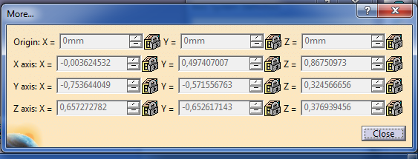
 | -0.54604 | 0.74493 | 0.38330 |  | 19.43 | -124.24 | 79.73 |  | -72.60 | -123.20 | -41.50
 | 0.41013 | 0.63665 | -0.65304 |  | 59.69 | -74.72 | -167.35 |  | -152.40 | 86.20 | 80.60
 | -0.73050 | -0.19939 | -0.65316 |  | -101.85 | 260.50 | -119.94 |  | 203.70 | 202.40 | 100.80
 |  |  |  |  | -169.96 | 261.56 | -166.57 |  | 223.80 | 205.60 | 180.80

 |  |  |  |  | 0

 | Tarnsponowana M^-1=M^T |  |  |  | Sprawdzenie M^T*Mrotacji
 | -0.54604 | 0.74493 | 0.38330 |  | 1.00000 | 0.00000 | 0.00000
 | 0.41013 | 0.63665 | -0.65304 |  | 0.00000 | 1.00000 | 0.00000
 | -0.73050 | -0.19939 | -0.65316 |  | 0.00000 | 0.00000 | 1.00000 |  |  |  |  |  |  |  |  |  |  | Axis.2 |  |  | Axis.3 |  |  | Axis.10
 |  |  |  |  |  |  |  |  |  |  |  |  |  |  |  |  |  | -0.190202 | 0.696733 | 0.691655 | 0.451711 | -0.800755 | 0.39338 | 0.603365 | 0.446515 | 0.660738
 |  |  |  |  |  |  |  |  |  |  |  |  |  |  |  |  |  | -0.907423 | -0.393663 | 0.147016 | 0.708238 | 0.053709 | -0.703928 | -0.665703 | -0.174176 | 0.725605
 |  |  |  |  |  |  |  |  |  |  |  |  |  |  |  |  |  | 0.37471 | -0.599661 | 0.707107 | 0.542546 | 0.596579 | 0.591386 | 0.439078 | -0.87766 | 0.192155

 |  |  |  |  |  |  |  |  |  |  |  |  |  |  |  |  |  | -0.0036249452243 | 0.49740642757 | 0.86750992129 | 0.94726625703 | -0.064983251138 | 0.31378851565
 |  |  |  |  |  |  |  |  |  |  |  |  |  |  |  |  |  | -0.75364436099 | -0.57155689175 | 0.32456719087 | -0.030389339391 | 0.95659089228 | 0.28984575572
 |  |  |  |  |  |  |  |  |  |  |  |  |  |  |  |  |  | 0.65727287794 | -0.65261806929 | 0.37693949385 | -0.31900287399 | -0.28409650709 | 0.90417172895
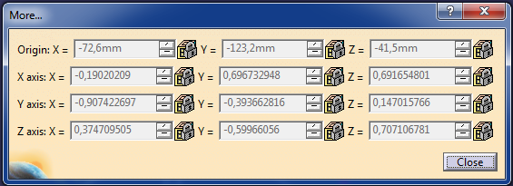
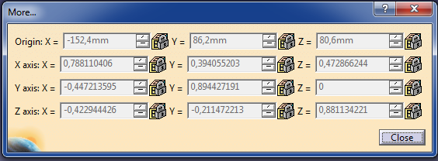
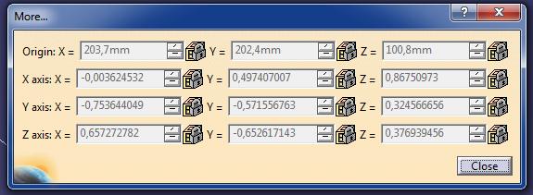
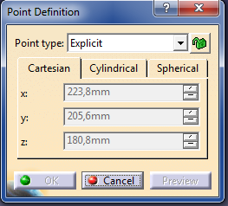

 |  | Axis.2 (Local) |  |  | A1 |  | Axis.3 (Local) |  |  | A2 |  | Axis.10 (Local) |  |  | A3 | A4 (Local)
 |  | -0.190202 | 0.696733 | 0.691655 | -72.6 |  | 0.451711 | -0.800755 | 0.39338 | 245.525057 |  | 0.603365 | 0.446515 | 0.660738 | 335.987228 | 70.919628
 |  | -0.907423 | -0.393663 | 0.147016 | -123.2 |  | 0.708238 | 0.053709 | -0.703928 | 7.929963 |  | -0.665703 | -0.174176 | 0.725605 | -55.320322 | 8.988105
 |  | 0.37471 | -0.599661 | 0.707107 | -41.5 |  | 0.542546 | 0.596579 | 0.591386 | -69.133002 |  | 0.439078 | -0.87766 | 0.192155 | -157.38467 | 41.277965
 |  | 0 | 0 | 0 | 1 |  | 0 | 0 | 0 | 1

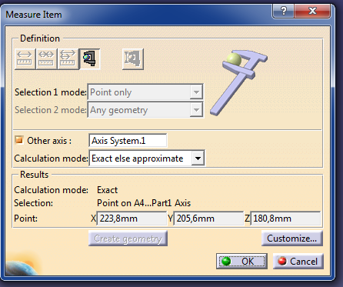
 |  | Axis.10*Axis.3 |  |  |  |  | (Axis.10*Axis.3)*Axis.2
 |  | 0.94726625703 | -0.064983251138 | 0.31378851565 |  |  | -0.0036249452243 | 0.49740642757 | 0.86750992129 |  | 1 | 0 | 0 | 245.525057
 |  | -0.030389339391 | 0.95659089228 | 0.28984575572 |  |  | -0.75364436099 | -0.57155689175 | 0.32456719087 |  | 0 | 1 | 0 | 7.929963
 |  | -0.31900287399 | -0.28409650709 | 0.90417172895 |  |  | 0.65727287794 | -0.65261806929 | 0.37693949385 |  | 0 | 0 | 1 | -69.133002
 |  |  |  |  |  |  |  |  |  |  | 0 | 0 | 0 | 1

 |  | Tran Axis.2 |  |  |  |  | Tran Axis.3 |  |  |  |  | Tran Axis.10
 |  | -0.190202 | -0.907423 | 0.37471 |  |  | 0.451711 | 0.708238 | 0.542546 |  |  | 0.603365 | -0.665703 | 0.439078
 |  | 0.696733 | -0.393663 | -0.599661 |  |  | -0.800755 | 0.053709 | 0.596579 |  |  | 0.446515 | -0.174176 | -0.87766
 |  | 0.691655 | 0.147016 | 0.707107 |  |  | 0.39338 | -0.703928 | 0.591386 |  |  | 0.660738 | 0.725605 | 0.192155

 |  |  | A1+A2 rev |  | A2 rev |  |  | A2+A3 rev |  | A3 rev |  |  | A3+A4 rev |  | A4 rev
 |  |  | 223.80006305 |  | 296.40006305 |  |  | 326.46464489 |  | 80.93958789 |  |  | 390.9184872 |  | 54.931259202
 |  |  | 205.59988565 |  | 328.79988565 |  |  | -365.71465227 |  | -373.64461527 |  |  | -61.447175242 |  | -6.126853242
 |  |  | 180.79997183 |  | 222.29997183 |  |  | 71.085384791 |  | 140.21838679 |  |  | -96.071795541 |  | 61.312874459

 |  | M1R |  |  |  |  | M1T |  |  |  |  | M2R |  |  |  | M2T
 |  | -0.190202 | 0.696733 | 0.691655 | 0 |  | 1 | 0 | 0 | -72.6 |  | 0.451711 | -0.800755 | 0.39338 | 0 | 1 | 0 | 0 | 245.525057
 |  | -0.907423 | -0.393663 | 0.147016 | 0 |  | 0 | 1 | 0 | -123.2 |  | 0.708238 | 0.053709 | -0.703928 | 0 | 0 | 1 | 0 | 7.929963
 |  | 0.37471 | -0.599661 | 0.707107 | 0 |  | 0 | 0 | 1 | -41.5 |  | 0.542546 | 0.596579 | 0.591386 | 0 | 0 | 0 | 1 | -69.133002
 |  | 0 | 0 | 0 | 1 |  | 0 | 0 | 0 | 1 |  | 0 | 0 | 0 | 1 | 0 | 0 | 0 | 1

 |  | M2R*M1R |  |  |  |  | M1RTr
 |  | 0.78811058854 | 0.39405493155 | 0.47286612628 | 0 |  | -0.190202 | -0.907423 | 0.37471 | 0 |  | -0.190202 | -0.907423 | 0.37471 | -79.800014886 | -0.190202 | -0.907423 | 0.37471 | -152.40001489
 |  | -0.44721392686 | 0.89442770879 | 1.9938000029E-08 | 0 |  | 0.696733 | -0.393663 | -0.599661 | 0 |  | 0.696733 | -0.393663 | -0.599661 | 209.40004163 | 0.696733 | -0.393663 | -0.599661 | 86.200041627
 |  | -0.42294459215 | -0.2114724968 | 0.8811344922 | 0 |  | 0.691655 | 0.147016 | 0.707107 | 0 |  | 0.691655 | 0.147016 | 0.707107 | 122.10003509 | 0.691655 | 0.147016 | 0.707107 | 80.600035095
 |  | 0 | 0 | 0 | 1 |  | 0 | 0 | 0 | 1 |  | 0 | 0 | 0 | 1 | 0 | 0 | 0 | 1

 |  |  |  |  |  |  |  |  |  |  |  |  |  |  |  | 1.00 | 0.00 | 0.00 | -152.40
 |  |  |  |  |  |  |  |  |  |  |  |  |  |  |  | 0.00 | 1.00 | 0.00 | 86.20
 |  |  |  |  |  |  |  |  |  |  |  |  |  |  |  | 0.00 | 0.00 | 1.00 | 80.60
 |  |  |  |  |  |  |  |  |  |  |  |  |  |  |  | 0.00 | 0.00 | 0.00 | 1.00

 |  |  |  |  |  |  |  |  |  |  |  |  |  |  |  | 0.78811 | 0.39406 | 0.47287 | -152.40001
 |  |  |  |  |  |  |  |  |  |  |  |  |  |  |  | -0.44721 | 0.89443 | 0.00000 | 86.20004
 |  |  |  |  |  |  |  |  |  |  |  |  |  |  |  | -0.42294 | -0.21147 | 0.88114 | 80.60004
 |  |  |  |  |  |  |  |  |  |  |  |  |  |  |  | 0.00000 | 0.00000 | 0.00000 | 1.00000

Recalculation
https://pl.wikibooks.org/wiki/Metody_matematyczne_fizyki/Obr%C3%B3t_uk%C5%82adu_wsp%C3%B3%C5%82rz%C4%99dnych
https://pl.wikipedia.org/wiki/Macierz_obrotu, http://www.dimmension3.spine.pl/modules.php?name=Tutorials&wtd=show_tutorial&nr=19
http://mathworld.wolfram.com/EulerAngles.html
https://en.wikipedia.org/wiki/Euler_angles
CAA V5 for CATIA - Getting Started - Dassault Systèmes
http://170.64.108.154/cd2/Catiav5r24doc/English/online/CATIA_P3_search.htm

Example 1
Rotation matrix |  |  |  |  | Global coordinates

SECTION D-D |  |  |  |  | 3d coordinates |  |  |  | Coordinate computation
 | x | y | z |  | x | y | z |  | x' | y' | z'
X1 | -0.54604 | 0.41013 | -0.73050 |  | -72.60 | -123.20 | -41.50 |  | 19.43 | -124.24 | 79.73 |  |  |  |  |  |  | Axis.2 |  |  |  |  | Axis.3
Y1 | 0.74493 | 0.63665 | -0.19939 |  | -152.40 | 86.20 | 80.60 |  | 59.69 | -74.72 | -167.35 |  |  |  |  |  |  | -0.190202 | 0.696733 | 0.691655 |  |  | 0.451711 | -0.800755 | 0.39338
Z1 | 0.38330 | -0.65304 | -0.65316 |  | 203.70 | 202.40 | 100.80 |  | -101.85 | 260.50 | -119.94 |  |  |  |  |  |  | -0.907423 | -0.393663 | 0.147016 |  |  | 0.708238 | 0.053709 | -0.703928
 |  |  |  |  | 223.80 | 205.60 | 180.80 |  | -169.96 | 261.56 | -166.57 |  |  |  |  |  |  | 0.37471 | -0.599661 | 0.707107 |  |  | 0.542546 | 0.596579 | 0.591386

 |  |  |  |  | Local coordinates |  |  |  |  |  |  |  |  |  |  |  |  | 0.78811058854 | 0.39405493155 | 0.47286612628
 |  |  |  |  |  |  |  |  |  |  |  |  |  |  |  |  |  | -0.44721392686 | 0.89442770879 | 1.9938000029E-08
 |  |  |  |  | Coordinates shifted |  |  |  | Coordinate computation |  |  |  |  |  |  |  |  | -0.42294459215 | -0.2114724968 | 0.8811344922
 | Macierz odwotna |  |  |  | x | y | z |  | x' | y' | z'
 | -0.54604 | 0.74493 | 0.38330 |  | 19.43 | -124.24 | 79.73 |  | -72.60 | -123.20 | -41.50
 | 0.41013 | 0.63665 | -0.65304 |  | 59.69 | -74.72 | -167.35 |  | -152.40 | 86.20 | 80.60
 | -0.73050 | -0.19939 | -0.65316 |  | -101.85 | 260.50 | -119.94 |  | 203.70 | 202.40 | 100.80
 |  |  |  |  | -169.96 | 261.56 | -166.57 |  | 223.80 | 205.60 | 180.80

 |  |  |  |  | 0

 | Tarnsponowana M^-1=M^T |  |  |  | Sprawdzenie M^T*Mrotacji
 | -0.54604 | 0.74493 | 0.38330 |  | 1.00000 | 0.00000 | 0.00000
 | 0.41013 | 0.63665 | -0.65304 |  | 0.00000 | 1.00000 | 0.00000
 | -0.73050 | -0.19939 | -0.65316 |  | 0.00000 | 0.00000 | 1.00000 |  |  |  |  |  |  |  |  |  |  | Axis.2 |  |  |  |  | Axis.3 |  |  | Axis.10
 |  |  |  |  |  |  |  |  |  |  |  |  |  |  |  |  |  | -0.190202 | 0.696733 | 0.691655 |  |  | 0.451711 | -0.800755 | 0.39338 | 0.603365 | 0.446515 | 0.660738
 |  |  |  |  |  |  |  |  |  |  |  |  |  |  |  |  |  | -0.907423 | -0.393663 | 0.147016 |  |  | 0.708238 | 0.053709 | -0.703928 | -0.665703 | -0.174176 | 0.725605
 |  |  |  |  |  |  |  |  |  |  |  |  |  |  |  |  |  | 0.37471 | -0.599661 | 0.707107 |  |  | 0.542546 | 0.596579 | 0.591386 | 0.439078 | -0.87766 | 0.192155

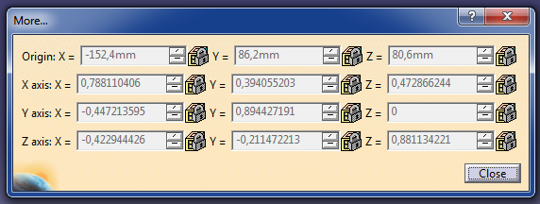
 |  |  |  |  |  |  |  |  |  |  |  |  |  |  |  |  |  | -0.0036249452243 | 0.49740642757 | 0.86750992129 |  |  | 0.94726625703 | -0.064983251138 | 0.31378851565
 |  |  |  |  |  |  |  |  |  |  |  |  |  |  |  |  |  | -0.75364436099 | -0.57155689175 | 0.32456719087 |  |  | -0.030389339391 | 0.95659089228 | 0.28984575572
 |  |  |  |  |  |  |  |  |  |  |  |  |  |  |  |  |  | 0.65727287794 | -0.65261806929 | 0.37693949385 |  |  | -0.31900287399 | -0.28409650709 | 0.90417172895

 |  | Axis.2 |  |  |  |  | Axis.3 |  |  |  |  | Axis.10
 |  | -0.190202 | 0.696733 | 0.691655 | 0 |  | 0.451711 | -0.800755 | 0.39338 | 0 |  | 0.603365 | 0.446515 | 0.660738 | 335.987228
 |  | -0.907423 | -0.393663 | 0.147016 | 0 |  | 0.708238 | 0.053709 | -0.703928 | 0 |  | -0.665703 | -0.174176 | 0.725605 | -55.320322
 |  | 0.37471 | -0.599661 | 0.707107 | 0 |  | 0.542546 | 0.596579 | 0.591386 | 0 |  | 0.439078 | -0.87766 | 0.192155 | -157.38467
 |  | 0 | 0 | 0 | 1 |  | 0 | 0 | 0 | 1 |  | 0 | 0 | 0 | 1

 |  | 1 | 0 | 0 | -72.6 |  | 1 | 0 | 0 | 245.525057
 |  | 0 | 1 | 0 | -123.2 |  | 0 | 1 | 0 | 7.929963
 |  | 0 | 0 | 1 | -41.5 |  | 0 | 0 | 1 | -69.133002
 |  | 0 | 0 | 0 | 1 |  | 0 | 0 | 0 | 1

 |  | -0.190202 | -0.907423 | 0.37471 | 0 |  | -0.190202 | -0.907423 | 0.37471 | -79.800014886 |  | -0.190202 | -0.907423 | 0.37471 | -152.40001489 | 0.78811058854 | -0.44721392686 | -0.42294459215 | -152.40001489 |  | 0.78811058854 | 0.39405493155 | 0.47286612628 | -152.40001489
 |  | 0.696733 | -0.393663 | -0.599661 | 0 |  | 0.696733 | -0.393663 | -0.599661 | 209.40004163 |  | 0.696733 | -0.393663 | -0.599661 | 86.200041627 | 0.39405493155 | 0.89442770879 | -0.2114724968 | 86.200041627 |  | -0.44721392686 | 0.89442770879 | 1.9938000029E-08 | 86.200041627
 |  | 0.691655 | 0.147016 | 0.707107 | 0 |  | 0.691655 | 0.147016 | 0.707107 | 122.10003509 |  | 0.691655 | 0.147016 | 0.707107 | 80.600035095 | 0.47286612628 | 1.9938000029E-08 | 0.8811344922 | 80.600035095 |  | -0.42294459215 | -0.2114724968 | 0.8811344922 | 80.600035095
 |  | 0 | 0 | 0 | 1 |  | 0 | 0 | 0 | 1 |  | 0 | 0 | 0 | 1 | 0 | 0 | 0 | 1 |  | 0 | 0 | 0 | 1

 |  |  |  |  |  |  |  |  |  |  |  | 0.78811058854 | 0.39405493155 | 0.47286612628 | 0 | 0.78811058854 | 0.39405493155 | 0.47286612628 | -72.6 |  | 0.78811058854 | 0.39405493155 | 0.47286612628 | 172.925057
 |  |  |  |  |  |  |  |  |  |  |  | -0.44721392686 | 0.89442770879 | 1.9938000029E-08 | 0 | -0.44721392686 | 0.89442770879 | 1.9938000029E-08 | -123.2 |  | -0.44721392686 | 0.89442770879 | 1.9938000029E-08 | -115.270037
 |  |  |  |  |  |  |  |  |  |  |  | -0.42294459215 | -0.2114724968 | 0.8811344922 | 0 | -0.42294459215 | -0.2114724968 | 0.8811344922 | -41.5 |  | -0.42294459215 | -0.2114724968 | 0.8811344922 | -110.633002
 |  |  |  |  |  |  |  |  |  |  |  | 0 | 0 | 0 | 1 | 0 | 0 | 0 | 1 |  | 0 | 0 | 0 | 1

 |  |  |  |  |  |  |  |  |  |  |  | 0.451711 | 0.708238 | 0.542546 | 0 | -0.190202 | 0.696733 | 0.691655 | 0
 |  |  |  |  |  |  |  |  |  |  |  | -0.800755 | 0.053709 | 0.596579 | 0 | -0.907423 | -0.393663 | 0.147016 | 0
 |  |  |  |  |  |  |  |  |  |  |  | 0.39338 | -0.703928 | 0.591386 | 0 | 0.37471 | -0.599661 | 0.707107 | 0
 |  |  |  |  |  |  |  |  |  |  |  | 0 | 0 | 0 | 1 | -152.40001489 | 86.200041627 | 80.600035095 | 1

Recalculation old
 | https://pl.wikibooks.org/wiki/Metody_matematyczne_fizyki/Obr%C3%B3t_uk%C5%82adu_wsp%C3%B3%C5%82rz%C4%99dnych
 | https://pl.wikipedia.org/wiki/Macierz_obrotu, http://www.dimmension3.spine.pl/modules.php?name=Tutorials&wtd=show_tutorial&nr=19
 | http://mathworld.wolfram.com/EulerAngles.html
 | https://en.wikipedia.org/wiki/Euler_angles
 | CAA V5 for CATIA - Getting Started - Dassault Systèmes
 | http://170.64.108.154/cd2/Catiav5r24doc/English/online/CATIA_P3_search.htm

 | Example 1
 | Rotation matrix |  |  |  |  | Global coordinates

 | SECTION D-D |  |  |  |  | 3d coordinates |  |  |  | Coordinate computation
 |  | x | y | z |  | x | y | z |  | x' | y' | z'
 | X1 | -0.54604 | 0.41013 | -0.73050 |  | -72.60 | -123.20 | -41.50 |  | 19.43 | -124.24 | 79.73 |  |  |  |  |  | Axis.2 |  |  | Axis.3
 | Y1 | 0.74493 | 0.63665 | -0.19939 |  | -152.40 | 86.20 | 80.60 |  | 59.69 | -74.72 | -167.35 |  |  |  |  |  | -0.190202 | 0.696733 | 0.691655 | 0.451711 | -0.800755 | 0.39338
 | Z1 | 0.38330 | -0.65304 | -0.65316 |  | 203.70 | 202.40 | 100.80 |  | -101.85 | 260.50 | -119.94 |  |  |  |  |  | -0.907423 | -0.393663 | 0.147016 | 0.708238 | 0.053709 | -0.703928
 |  |  |  |  |  | 223.80 | 205.60 | 180.80 |  | -169.96 | 261.56 | -166.57 |  |  |  |  |  | 0.37471 | -0.599661 | 0.707107 | 0.542546 | 0.596579 | 0.591386

 |  |  |  |  |  | Local coordinates |  |  |  |  |  |  |  |  |  |  |  | 0.78811058854 | 0.39405493155 | 0.47286612628
 |  |  |  |  |  |  |  |  |  |  |  |  |  |  |  |  |  | -0.44721392686 | 0.89442770879 | 1.9938000029E-08
 |  |  |  |  |  | Coordinates shifted |  |  |  | Coordinate computation |  |  |  |  |  |  |  | -0.42294459215 | -0.2114724968 | 0.8811344922
 |  | Macierz odwotna |  |  |  | x | y | z |  | x' | y' | z'
 |  | -0.54604 | 0.74493 | 0.38330 |  | 19.43 | -124.24 | 79.73 |  | -72.60 | -123.20 | -41.50
 |  | 0.41013 | 0.63665 | -0.65304 |  | 59.69 | -74.72 | -167.35 |  | -152.40 | 86.20 | 80.60
 |  | -0.73050 | -0.19939 | -0.65316 |  | -101.85 | 260.50 | -119.94 |  | 203.70 | 202.40 | 100.80
 |  |  |  |  |  | -169.96 | 261.56 | -166.57 |  | 223.80 | 205.60 | 180.80

 |  |  |  |  |  | 0

 |  | Tarnsponowana M^-1=M^T |  |  |  | Sprawdzenie M^T*Mrotacji
 |  | -0.54604 | 0.74493 | 0.38330 |  | 1.00000 | 0.00000 | 0.00000
 |  | 0.41013 | 0.63665 | -0.65304 |  | 0.00000 | 1.00000 | 0.00000
 |  | -0.73050 | -0.19939 | -0.65316 |  | 0.00000 | 0.00000 | 1.00000 |  |  |  |  |  |  |  |  |  | Axis.2 |  |  | Axis.3 |  |  | Axis.10
 |  |  |  |  |  |  |  |  |  |  |  |  |  |  |  |  |  | -0.190202 | 0.696733 | 0.691655 | 0.451711 | -0.800755 | 0.39338 | 0.603365 | 0.446515 | 0.660738
 |  |  |  |  |  |  |  |  |  |  |  |  |  |  |  |  |  | -0.907423 | -0.393663 | 0.147016 | 0.708238 | 0.053709 | -0.703928 | -0.665703 | -0.174176 | 0.725605
 |  |  |  |  |  |  |  |  |  |  |  |  |  |  |  |  |  | 0.37471 | -0.599661 | 0.707107 | 0.542546 | 0.596579 | 0.591386 | 0.439078 | -0.87766 | 0.192155

 |  |  |  |  |  |  |  |  |  |  |  |  |  |  |  |  |  | -0.0036249452243 | 0.49740642757 | 0.86750992129 | 0.94726625703 | -0.064983251138 | 0.31378851565
 |  |  |  |  |  |  |  |  |  |  |  |  |  |  |  |  |  | -0.75364436099 | -0.57155689175 | 0.32456719087 | -0.030389339391 | 0.95659089228 | 0.28984575572
 |  |  |  |  |  |  |  |  |  |  |  |  |  |  |  |  |  | 0.65727287794 | -0.65261806929 | 0.37693949385 | -0.31900287399 | -0.28409650709 | 0.90417172895

 |  |  | Axis.2 |  |  |  |  | Axis.3 |  |  |  |  | Axis.10
 |  |  | -0.190202 | 0.696733 | 0.691655 | 0 |  | 0.451711 | -0.800755 | 0.39338 | 0 |  | 0.603365 | 0.446515 | 0.660738 | 335.987228
 |  |  | -0.907423 | -0.393663 | 0.147016 | 0 |  | 0.708238 | 0.053709 | -0.703928 | 0 |  | -0.665703 | -0.174176 | 0.725605 | -55.320322
 |  |  | 0.37471 | -0.599661 | 0.707107 | 0 |  | 0.542546 | 0.596579 | 0.591386 | 0 |  | 0.439078 | -0.87766 | 0.192155 | -157.38467
 |  |  | 0 | 0 | 0 | 1 |  | 0 | 0 | 0 | 1 |  | 0 | 0 | 0 | 1

 |  |  | 1 | 0 | 0 | -72.6 |  | 1 | 0 | 0 | 245.525057 |  | 1 | 0 | 0 | 335.987228
 |  |  | 0 | 1 | 0 | -123.2 |  | 0 | 1 | 0 | 7.929963 |  | 0 | 1 | 0 | -55.320322
 |  |  | 0 | 0 | 1 | -41.5 |  | 0 | 0 | 1 | -69.133002 |  | 0 | 0 | 1 | -157.38467
 |  |  | 0 | 0 | 0 | 1 |  | 0 | 0 | 0 | 1 |  | 0 | 0 | 0 | 1

 |  |  | Axis.3 |  |  |  | Axis.10
 |  |  | 0.94726625703 | -0.064983251138 | 0.31378851565 |  | -0.0036249452243 | 0.49740642757 | 0.86750992129
 |  |  | -0.030389339391 | 0.95659089228 | 0.28984575572 |  | -0.75364436099 | -0.57155689175 | 0.32456719087
 |  |  | -0.31900287399 | -0.28409650709 | 0.90417172895 |  | 0.65727287794 | -0.65261806929 | 0.37693949385

-0.190202 | -0.907423 | 0.37471
0.696733 | -0.393663 | -0.599661
0.691655 | 0.147016 | 0.707107

 |  |  | 0.451711 | 0.708238 | 0.542546 |  | 27.200749365 |  | 272.72580636 |  | 276.30009062 |  | 203.70009062
 |  |  | -0.800755 | 0.053709 | 0.596579 |  | -365.90704098 |  | -357.97707798 |  | 325.59996602 |  | 202.39996602
 |  |  | 0.39338 | -0.703928 | 0.591386 |  | 78.037088923 |  | 8.9040869228 |  | 142.2999517 |  | 100.7999517
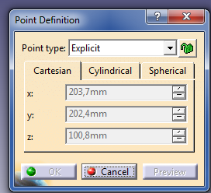

 |  |  |  |  |  |  |  |  |  |  |  |  |  |  |  |  | w

